2024+ sampling sites
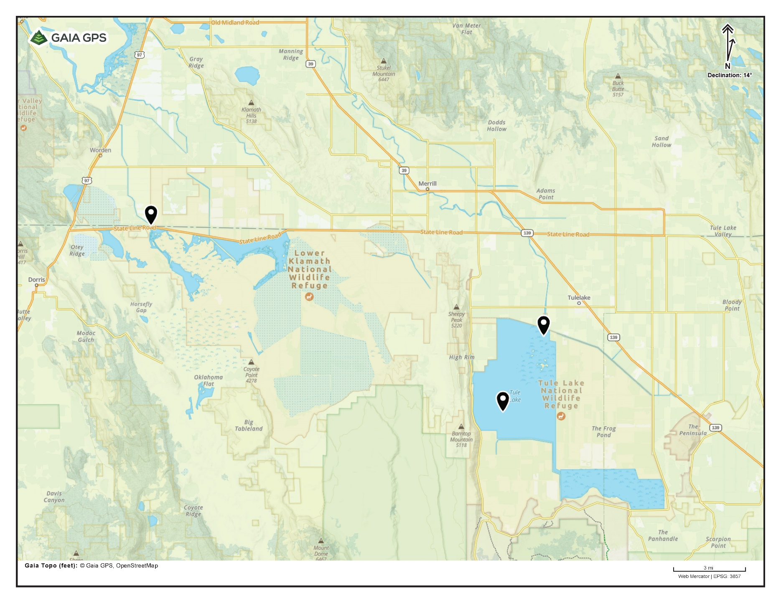
Site name | Site description | Coordinates | Sampling activities and purpose
LKNWR_AI | Sheepy Lake at Stateline Road and Ady Canal inflow | 42.00160,-121.82508 | Continuous sonde, cyanobacterial samples as needed
LKNWR_SLBR | Sheepy Lake at Stateline Rd boat ramp | 42.00160,-121.82508 | A routine cyanobacteria sampling site from 2021-2023, also sampled in late 2024 during a cyanobacterial bloom
LKNWR_U3 | Lower Klamath NWR, unit 3 at Stateline Rd | 41.99400,-121.75806 | Sampled in June 2024 during a cyanobacterial bloom
LKNWR_WSL | West Sheepy Lake, near bird island | 41.96461,-121.79619 | A routine cyanobacteria sampling site from 2021-2023, also sampled in late 2024 during a cyanobacterial bloom
TLNWR1a_DH | Tule Lake 1A, middle of "Donut Hole" | 41.88872,-121.53925 | Continuous sonde until August 16, 2024; nutrient sample; cyanobacterial samples as needed. A known sucker congregation area.
TLNWR1a_LRI | Tule Lake 1A, Lost River inflow | 41.93492, -121.50613 | Continous sonde after August 16, 2024
Eagle's Nest | A portion of the northwestern shoreline of Tule Lake 1A | 41.923821,-121.543904 | Under consideration for sonde placement in 2024, one discrete sonde measurement taken here in August 2024, a known sucker congregation area

2021-2023 cyano sampling sites
Site ID | Refuge | Coordinates | Description
TLNWR1a-NL | Tule Lake | 41.94350, -121.52009 | Located in sump 1a on the north levee near emergent wetland habitat frequented by water birds. The prevailing wind on the sump often causes water bird carcasses to accumulate in this location.
TLNWR1a-BR | Tule Lake | 41.90691, -121.56470 | Located on the west shore of sump 1a at the main boat launch. This area is frequented by the public (even when the sump itself is closed). "BR" stands for boat ramp.
TLNWR1a-SW | Tule Lake | 41.87326, -121.54321 | Located on southwest shore of sump 1a on the south levee. Water birds frequent this area and carcasses often accumulate in this location.
TLNWR1b-NW | Tule Lake | 41.85550, -121.49242 | Located on the northwest corner shoreline of sump 1b. This is the deepest part of the sump and water birds frequent this area in the summer.
LKNWR-SLBR | Lower Klamath | 42.00201, -121.82464 | Located on the northwest side of LKNWR at a boat ramp; adjacent to Stateline Rd where Ady Canal enters LKNWR. This area is frequented by the public.
LKNWR-WSL | Lower Klamath | 41.96463, -121.79713 | Located on the west side of LKNWR along the shoreline of Sheepy Lake; southwest of the tern nesting island. Water birds frequent this area.

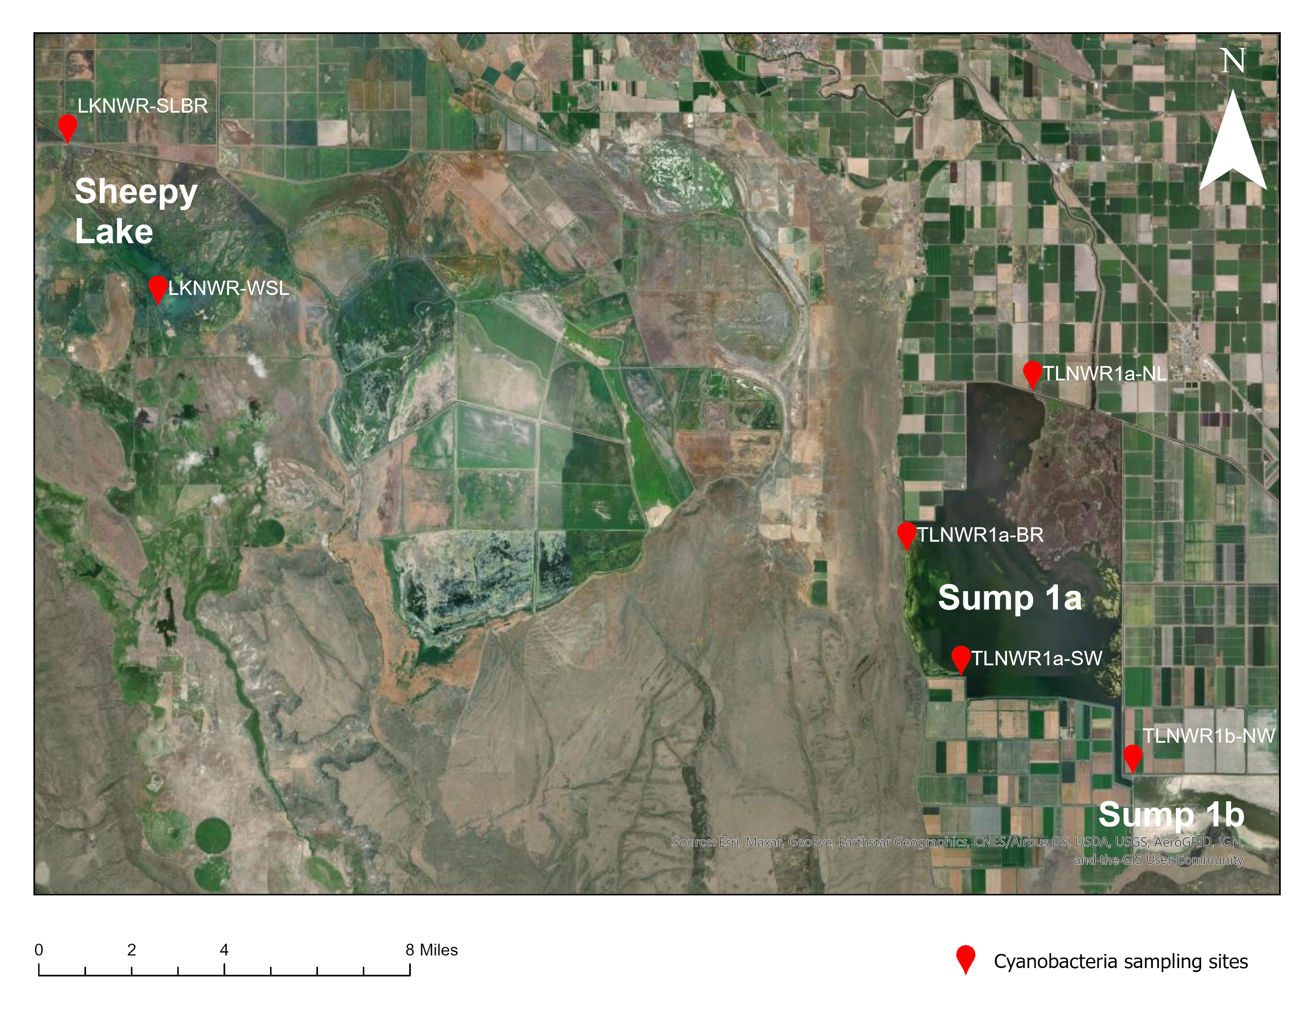

Carcasses; scum/mat sample if scum/mat is present, otherwise surface water grab

State of CA advisory criteria
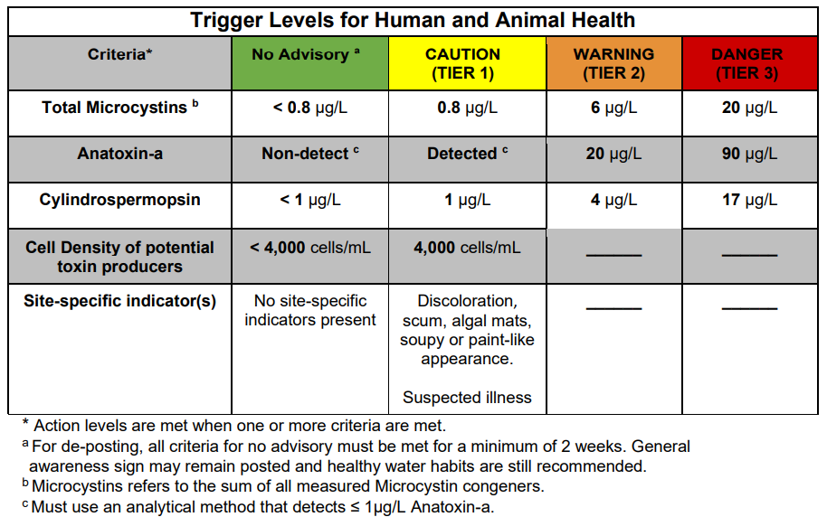

Can be accessed online | here

